Relationship Diagram
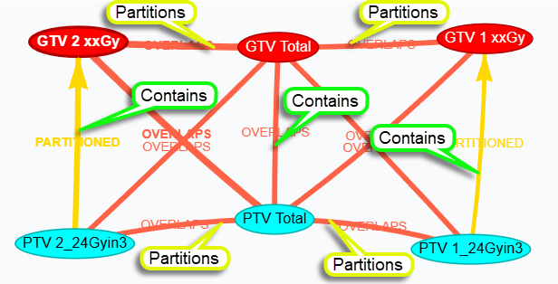
RS.CNS_FSRT_2_GTV.BRAI
D:\OneDrive - Queen's University\Python\Projects\StructureRelations\tests\RS.CNS_FSRT_2_GTV.BRAI.dcm

